Dashboard
Customer Analysis Dashboard
Overall Feedback
By Annmay Kadve
Hotel Guest Feedback
 | 3.6
 | 1.4
General Rating
3.6
 | 3.6 | 1.4
 | Total
Facility | 3.0
Staff | 3.8
Restaurant | 3.0
Facility | 3.2
Room | 3.0
Room | 3.6
Staff | 3.7
Restaurant | 1.8

 | Total
Business | 281
Function | 92
Other | 34
Vacation | 239

Female | 44%
Male | 56%
Female | 44%
Male | 56%

44%
56%
646

Net Promoter Score

Source of information

Detractor
Passives
Promoters
Source Trend
164
171
311
 | Total
Organization | 247
hotel booking sites | 109
Word of mouth | 93
Search engine | 82
Internet advertisement | 52
Television advertisement | 40
News paper | 23
 | hotel booking sites | Internet advertisement | News paper | Organization | Search engine | Television advertisement | Word of mouth
Jan | 9 | 4 | 3 | 16 | 3 | 3 | 11
Feb | 9 | 3 | 1 | 26 | 8 | 2 | 5
Mar | 9 | 5 | 1 | 17 | 5 | 3 | 8
Apr | 7 | 2 | 5 | 21 | 7 | 5 | 5
May | 8 | 5 | 2 | 19 | 8 | 2 | 5
Jun | 10 | 5 |  | 20 | 7 | 2 | 11
Jul | 11 | 5 | 3 | 22 | 6 | 2 | 7
Aug | 13 | 5 | 3 | 13 | 6 | 6 | 6
Sep | 12 | 4 | 1 | 17 | 8 | 4 | 10
Oct | 9 | 7 | 3 | 25 | 12 | 3 | 8
Nov | 6 | 4 | 1 | 22 | 6 | 4 | 9
Dec | 6 | 3 |  | 29 | 6 | 4 | 8
25%
26%
48%

 | 180 | 273.7295356
 | 18 | 4
 | 18 | 82.270464396
 | 18
 | 18
 | 18
 | 18
 | 18
 | 18
 | 18
 | 18
-20
0
20
-40
40

-60
60

-80
6.5
80

-100
100

Colors for dashboard
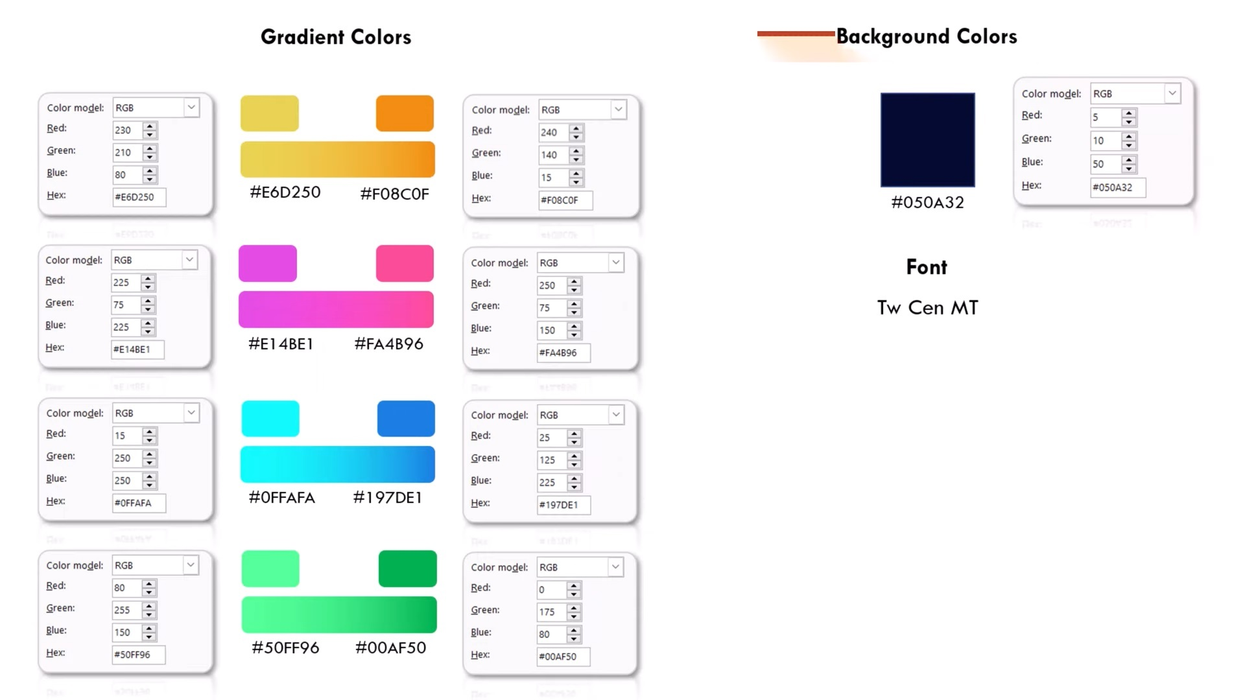
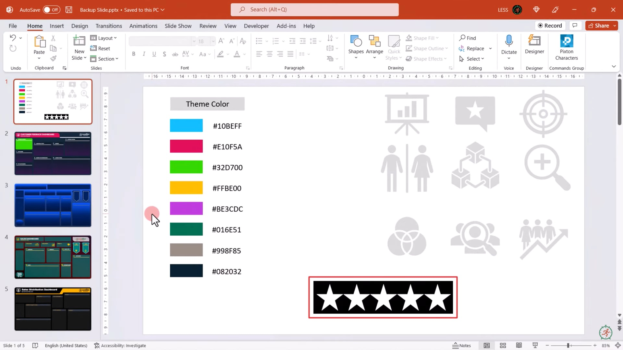

 |  |  | #050A32

 |  |  | #F08C0F
 |  |  |  | #10BEFF
 |  |  |  | #E10F5A
 |  |  |  | #32D700
 |  |  |  | #FFBE00
 |  |  |  | #BE3CDC
 |  |  |  | #016E51
 |  |  |  | #998F85
 |  |  |  | #082032
Color for Dashboard Design

blue | #0FFAFA | #197DE1
pink | #E14BE1 | #FA4B96

Green | #50FF96 | #00AF50

Analysis
Average of Overall Experience |  | Row Labels | Count of Overall Experience |  | Row Labels | Count of NPS Category | % |  |  | NPS Category | Count of NPS Category | % |  |  |  | Row Labels | Count of Source | Row Labels | Count of Purpose | Count of Source | Column Labels
3.6 |  | Female | 287.0 |  | Detractor | 164.0 | 25% |  |  | Detractor | 164 | 25% |  |  |  | Organization | 247 | Business | 281 | Row Labels | hotel booking sites | Internet advertisement | News paper | Organization | Search engine | Television advertisement | Word of mouth | Grand Total
 |  | Male | 359.0 |  | Passives | 171.0 | 15% |  |  | Passives | 171 | 26% |  |  |  | hotel booking sites | 109 | Function | 92 | 2020
 |  | Grand Total | 646.0 |  | Promoters | 311.0 | 32% |  |  | Promoters | 311 | 48% |  |  |  | Word of mouth | 93 | Other | 34 | Jan | 9 | 4 | 3 | 16 | 3 | 3 | 11 | 49
Star Rating |  |  |  |  | Grand Total | 646.0 |  |  |  | NPS Score |  | 22.755417957 |  |  |  | Search engine | 82 | Vacation | 239 | Feb | 9 | 3 | 1 | 26 | 8 | 2 | 5 | 54
Total | 3.6 |  |  |  |  |  |  |  |  |  |  |  |  |  |  | Internet advertisement | 52 | Grand Total | 646 | Mar | 9 | 5 | 1 | 17 | 5 | 3 | 8 | 48
Balance | 1.4 | Female | 287 | 44% |  |  |  |  |  |  |  |  |  |  |  | Television advertisement | 40 |  |  | Apr | 7 | 2 | 5 | 21 | 7 | 5 | 5 | 52
 |  | Male | 359 | 56% | NPS Category | Count of NPS Category | % |  |  |  |  |  |  | Row Labels | Average of Rating_Range | News paper | 23 | Total | 646 | May | 8 | 5 | 2 | 19 | 8 | 2 | 5 | 49
 |  |  |  |  | Detractor | 164 | 25% |  | 100% |  |  |  |  | Broadband & TV |  | Grand Total | 646 |  |  | Jun | 10 | 5 |  | 20 | 7 | 2 | 11 | 55
 |  |  |  |  | Passives | 171 | 26% |  |  |  |  |  |  | Facility | 3.0 |  |  |  |  | Jul | 11 | 5 | 3 | 22 | 6 | 2 | 7 | 56
 |  |  |  |  | Promoters | 311 | 48% |  |  |  |  |  | , | Check-in Process |  |  |  |  |  | Aug | 13 | 5 | 3 | 13 | 6 | 6 | 6 | 52
 |  |  |  |  | NPS Score |  | 6.5 |  |  |  |  |  |  | Staff | 3.8 |  |  |  |  | Sep | 12 | 4 | 1 | 17 | 8 | 4 | 10 | 56
 |  |  |  |  | NPS Score: (percentage of promoters - percentage of detractors)*100 |  |  |  |  |  |  |  |  | Food quality |  |  |  |  |  | Oct | 9 | 7 | 3 | 25 | 12 | 3 | 8 | 67
 |  |  |  |  |  |  |  |  |  |  |  |  |  | Restaurant | 3.0 |  |  |  |  | Nov | 6 | 4 | 1 | 22 | 6 | 4 | 9 | 52
 |  |  |  |  | conversion |  | 5.7 | N12*(90-(4/2))/100 |  |  |  |  |  | Gym |  |  |  |  |  | Dec | 6 | 3 |  | 29 | 6 | 4 | 8 | 56
 |  |  |  |  |  |  |  |  |  |  |  |  |  | Facility | 3.2 |  |  |  |  | Grand Total | 109 | 52 | 23 | 247 | 82 | 40 | 93 | 646
 |  |  |  |  | indicator | 273.7 | N15+(270-(4/2)) |  |  |  |  |  |  | Room cleanliness
 |  |  |  |  |  | 4 | Suppose the indicator is at 4 |  |  |  |  |  |  | Room | 3.0
 |  |  |  |  |  | 82.3 |  |  |  |  |  |  |  | Room service
 |  |  |  |  |  |  |  |  |  |  |  |  |  | Room | 3.6
 |  |  |  |  |  |  |  |  |  |  |  |  |  | Staff attitude
 |  |  |  |  |  |  |  |  |  |  |  |  |  | Staff | 3.7
 |  |  |  |  | Dail | 180 |  |  |  |  |  |  |  | Variety of food
 |  |  |  |  |  | 18 |  |  |  |  |  |  |  | Restaurant | 1.8
 |  |  |  |  |  | 18 |  |  |  |  |  |  |  | Grand Total | 3.1
 | hotel booking sites | Internet advertisement | News paper | Organization | Search engine | Television advertisement | Word of mouth
Jan | 9 | 4 | 3 | 16 | 3 | 3 | 11
Feb | 9 | 3 | 1 | 26 | 8 | 2 | 5
Mar | 9 | 5 | 1 | 17 | 5 | 3 | 8
Apr | 7 | 2 | 5 | 21 | 7 | 5 | 5
May | 8 | 5 | 2 | 19 | 8 | 2 | 5
Jun | 10 | 5 |  | 20 | 7 | 2 | 11
Jul | 11 | 5 | 3 | 22 | 6 | 2 | 7
Aug | 13 | 5 | 3 | 13 | 6 | 6 | 6
Sep | 12 | 4 | 1 | 17 | 8 | 4 | 10
Oct | 9 | 7 | 3 | 25 | 12 | 3 | 8
Nov | 6 | 4 | 1 | 22 | 6 | 4 | 9
Dec | 6 | 3 |  | 29 | 6 | 4 | 8
 |  |  |  |  |  | 18
 | Total
Facility | 3.0
Staff | 3.8
Restaurant | 3.0
Facility | 3.2
Room | 3.0
Room | 3.6
Staff | 3.7
Restaurant | 1.8
 |  |  |  |  |  | 18
 |  |  |  |  |  | 18
 |  |  |  |  |  | 18
 |  |  |  |  |  | 18
 |  |  |  |  |  | 18
 |  |  |  |  |  | 18
 |  |  |  |  |  | 18

